Sheet1
 | X Mode

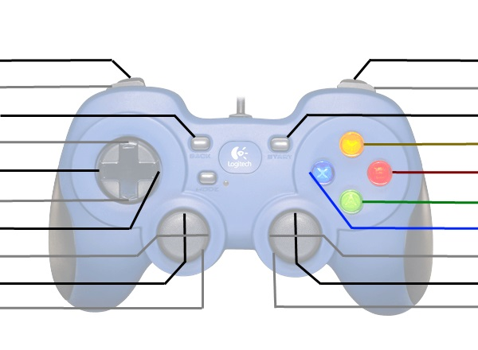
14 and LT 0..255 |  | 15 and RT 0..255
12 |  | 13
5 |  | 4
0 |  | 15
2 |  | 13
1 |  | 12
3 |  | 14
LX -254(left)..254(right) |  | RX -254(left)..254(right)
LY -254(down)..254(up) |  | RY '-254(down)..254(up)
6 |  | 7

 | D Mode

14 and LT 0 or 255 |  | 15 and RT 0 or 255
12 |  | 13
5 |  | 4
0 |  | 15
2 |  | 13
1 |  | 12
3 |  | 14
LX -254(left)..254(right) |  | RX -254(left)..254(right)
LY -254(down)..254(up) |  | RY '-254(down)..254(up)
6 |  | 7

